Sheet1
 |  |  |  |  |  |  |  |  |  | << | Execute dbo.Get_Full_Name | On first entry to this screen (Call SP) Department and User params required as part of SP Call:
 |  |  |  |  | Create Job |  |  |  |  |  |  | This SP call populates the fields and listed values on the screen
 |  |  |  |  |  |  |  |  |  |  |  | Hidden from results is the "User_Login" value. This will be needed when hitting "Manage Jobs" button, and retuning to previous screen
 |  |  |  |  | Department |  | Job Controller Name
 |  |  |  |  | Off-Track |  | Dominic Buckingam |  |  |  | Distinct "Job_Department" value from returned results set - populates this field |  |  | Distinct "User_Full_Name" value from returned results set - populates this field

 |  |  |  |  | New Job
 |  |  |  |  | Rebuilding Fences |  |  |  | V | << | Execute dbo.List_Job_Task | Job_Task in results set passed to this field
Calendar Window showing next |  |  |  |  |  |  |  |  |  |  |  | Param Via Department field
available 60 days (Today onwards) |  |  |  |  | Job Date |  | Shift Period
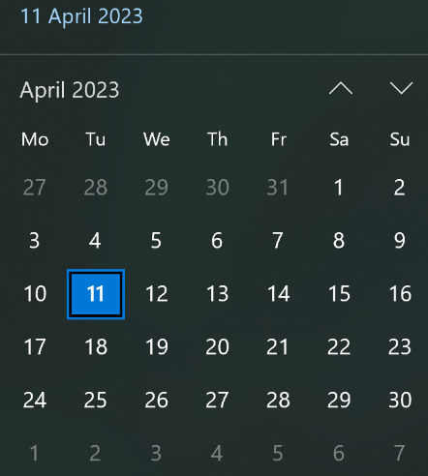
 |  |  |  |  | 2023-04-09 (Sun) | V | Night |  | V | << | Execute dbo.List_Next_60_Days | Calendar_Date_Name in results set passed to this field |  | Execute dbo.List_Shift_Period | Shift_Period in results set passed to this field

 |  |  |  |  | County
 | >> | >> |  |  | South East (BN) |  |  |  | V | << | Execute dbo.List_Post_Code_County | County in results set passed to this field
 |  |  |  |  |  |  |  |  |  |  |  | When edit County field, Region and District fields are set to blank
 |  |  |  |  | Region
 |  |  |  |  | Brighton (BN22) |  |  |  | V | << | Execute dbo.List_Post_Code_Region | Region in results set passed to this field
 |  |  |  |  |  |  |  |  |  |  |  | Param Via County field. When edit Region field, District field is set to blank
 |  |  |  |  | District
 |  |  |  |  | Eastbourne (BN22 8) |  |  |  | V | << | Execute dbo.List_Post_Code_District | District in results set passed to this field
 |  |  |  |  |  |  |  |  |  |  |  | Param Via Region field.
 |  |  |  |  | Travel Distance |  | Job Availability |  |  |  |  |  |  |  | Job_Availability in results set passed to this field
 |  |  |  |  | 15 | V | Available |  | V | << | Execute dbo.List_Travel_Distance | Travel_Distance in results set passed to this field |  | Execute dbo.List_Availability | If value = "Available" Background is Green
 |  |  |  |  |  |  |  |  |  |  |  |  |  |  | If value = "Not Available" Background is Red

 |  |  |  |  | Job Task: (Rebuild Fence>BN22 8>2023-04-09>N) has been created against Department: (Off-Track) |  |  |  |  | << |  | On executing the SP "dbo.Create_Alter_Job_Task", a singular value is returned "Create_Job_Text"
 |  |  |  |  |  |  |  |  |  |  |  |  | The returned "Create_Job_Text" populates this text box

 |  |  |  |  | < Manage Jobs |  |  | Create Job |  | << | Execute dbo.Manage_Jobs | This is the "Manage Jobs" Button. Takes you back to the "Manage Jobs" screen |  | Execute dbo.Create_Alter_Job_Task | This is the "Create Job" Button. As part of the SP call, The following fields from the screen are passed as the params, and in the exact order
 |  |  |  |  |  |  |  |  |  |  |  | Department and (Hidden) User_Login params required as part of SP Call: |  |  | (1)Value from the Department Field | (2)(Hidden) User_Login value | (3)Value from New Job Field
 |  |  |  |  |  |  |  |  |  |  |  |  |  |  | (4)Value from Job Date Field | (5)Value from Shift Period Field | (6)Value from District Field
 |  |  | SPS Used… |  |  |  |  |  |  |  |  |  |  |  | (7)Value from Travel Distance Field | (8)Value from Job Availability Field | (9) = 1
 |  |  |  | dbo.Get_Full_Name
 |  |  |  | dbo.List_Job_Task
 |  |  |  | dbo.List_Next_60_Days
 |  |  |  | dbo.List_Shift_Period
 |  |  |  | dbo.List_Post_Code_County
 |  |  |  | dbo.List_Post_Code_Region
 |  |  |  | dbo.List_Post_Code_District
 |  |  |  | dbo.List_Travel_Distance
 |  |  |  | dbo.List_Availability
 |  |  |  | dbo.Manage_Jobs
 |  |  |  | dbo.Create_Alter_Job_Task

